Resumen
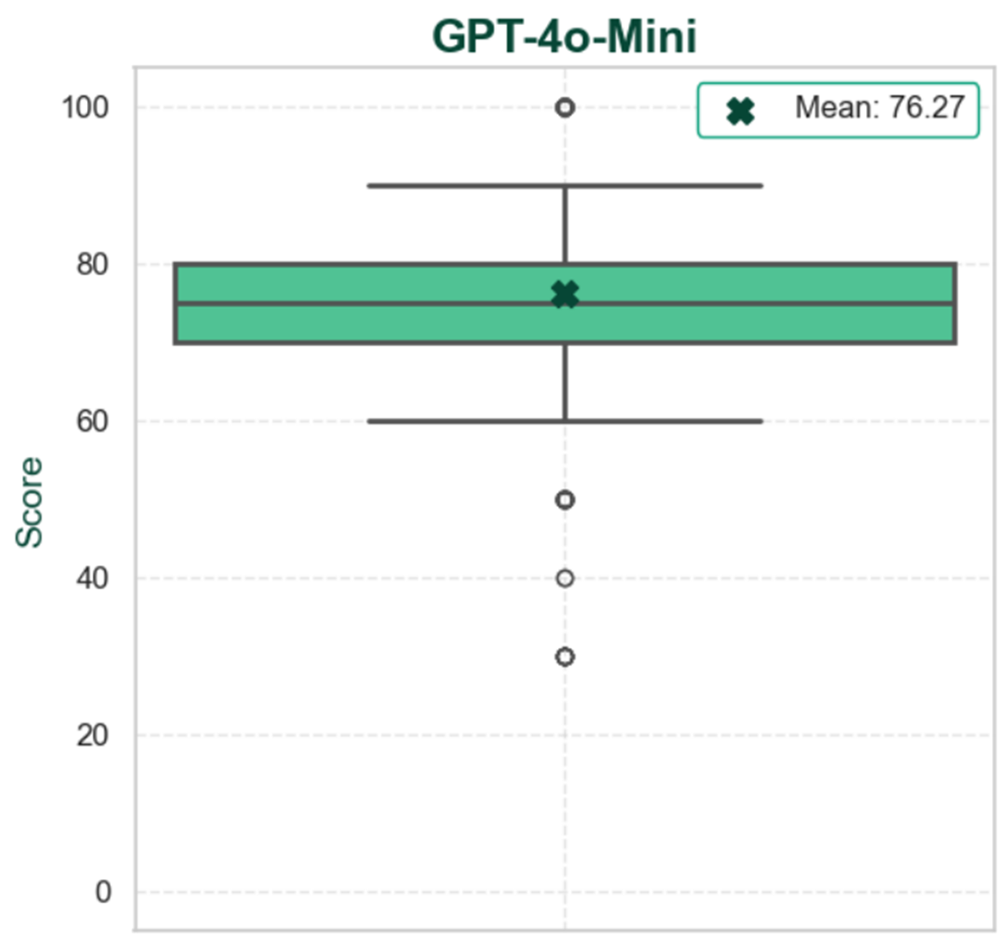
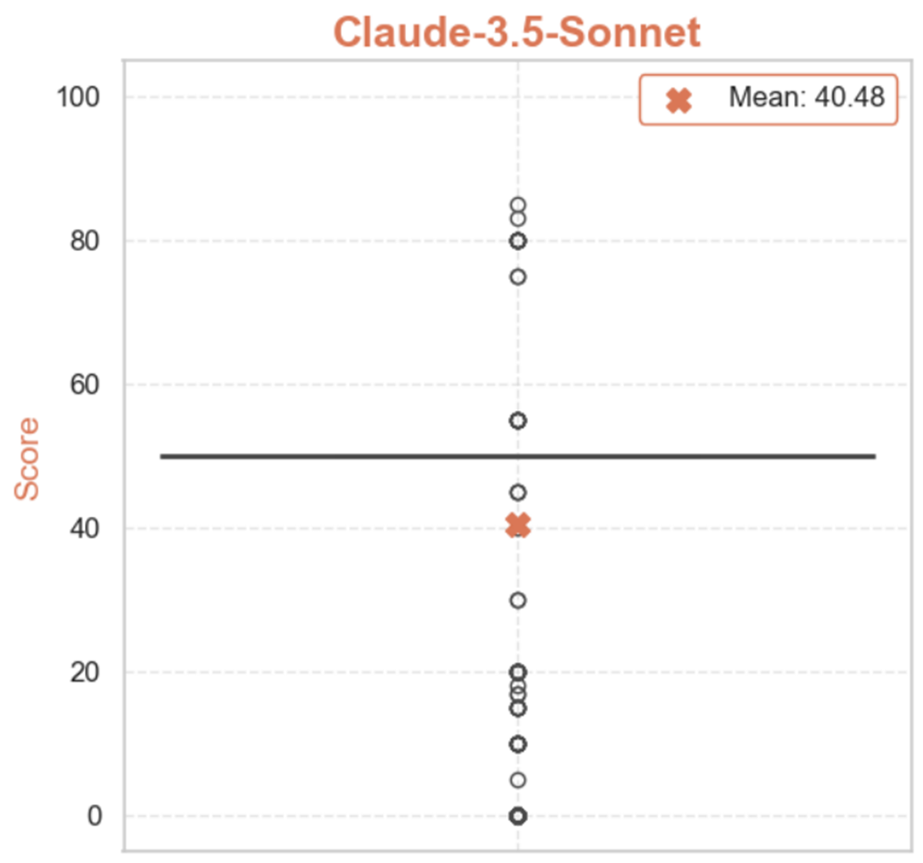
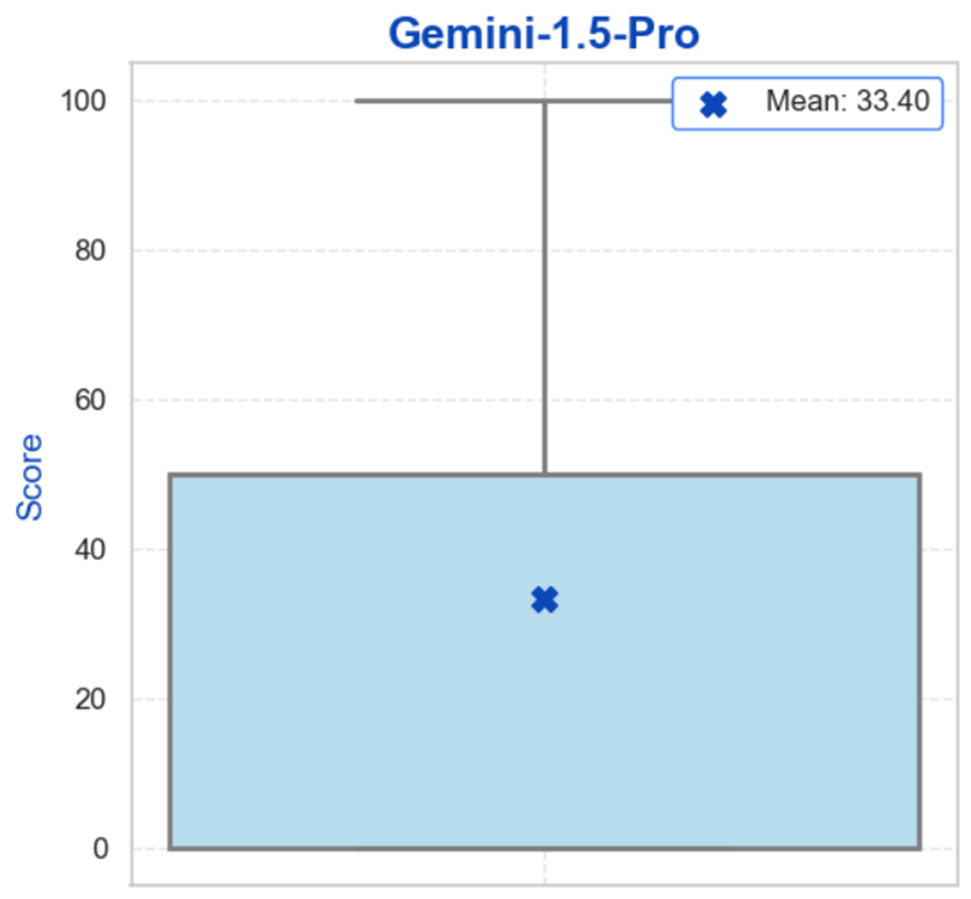
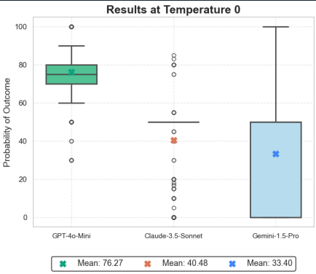
ChatGPT |  |  | Claude |  |  | Gemini

 | Conjunto completo |  |  | Conjunto completo |  |  | Conjunto completo
 | Media | 76.27 |  | Media | 40.48 |  | Media | 33.40
 | Mediana | 75.00 |  | Mediana | 50.00 |  | Mediana | 50.00
 | Desvío | 11.05 |  | Desvío | 19.79 |  | Desvío | 23.42

